工作表1
Class | Method | Params (Type, Name) | Returns (Type, Name) | Return Values | Exception | Source Code | CFG (each node representing a block or statement) or data flow annoated CFG | Test Paths | Test Requirements (Basis Path) | Infeasible TRs | Revised TRs | Test Cases | Memo
Geomem | find() | 1. double topLeftLat 2. double topLeftLon 3. double bottomRightLat 4. double bottomRightLon 5. long start 6. long finish | Iterable<Info<T, R>> | info records | None | https://stv.csie.ntut.edu.tw/108598014/GeoProject/blob/master/LabReport/Lab3/Source%20code/Geomem.find().PNG | 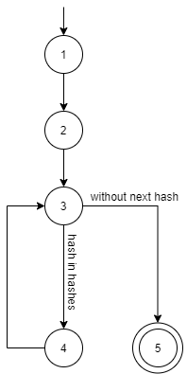 | P1: {n1,n2,n3,n5} P2: {n1,n2,n3,n4,n3,n5} | {P1,P2} | None | None | T1 = { topLeftLat = -5 topLeftLon=100 bottomRightLat=-45 bottomRightLon=170 start=0 finish=1000} (沒有事先add資料) T2 = { topLeftLat = -5 topLeftLon=100 bottomRightLat=-45 bottomRightLon=170 start=0 finish=1000} (有事先add資料) | T1 covers {P1} T2 covers {P2}
Geomem | addToMap() | 1. Map<Long, SortedMap<Long, Info<T, R>>> map 2. Info<T, R> info 3. String hash | None | None | None | https://stv.csie.ntut.edu.tw/108598014/GeoProject/blob/master/LabReport/Lab3/Source%20code/Geomem.addToMap().PNG | 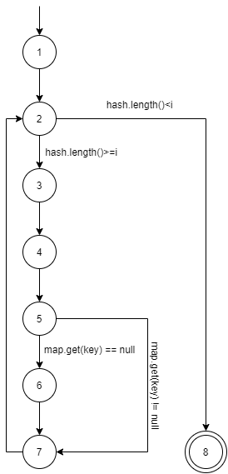 | P1: {n1,n2,n8} P2: {n1,n2,n3,n4,n5,n7,n2,n8} P3: {n1,n2,n3,n4,n5,n6,n7,n2,n8} | {P2,P3} | {P1} | None | T1 = { map=Maps.newConcurrentMap() info=new Info<String, String>(-15, 120, 500, "A1", Optional.of("A")) hash="qtm6dtm6dtm6" } (有事先add某些Key到Map中) T2 = { map=Maps.newConcurrentMap() info=new Info<String, String>(-15, 120, 500, "A1", Optional.of("A")) hash="qtm6dtm6dtm6" } (沒有事先add某些Key到Map中) | T1 covers {P2} T2 covers {P3}
GeoHash | gridAsString() | 1. String hash 2. int fromRight 3. int fromBottom 4. int toRight 5. int toBottom 6. Set<String> highlightThese | String | String representation of grid | IllegalArgumentException | https://stv.csie.ntut.edu.tw/108598014/GeoProject/blob/master/LabReport/Lab3/Source%20code/GeoHash.gridAsString().PNG | 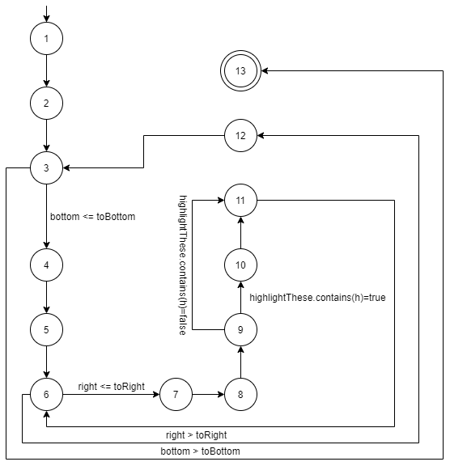 | P1: {n1,n2,n3,n13} P2: {n1,n2,n3,n4,n5,n6,n12,n3,n13} P3: {n1,n2,n3,n4,n5,n6,n7,n8,n9,n11,n6,n12,n3,n13} P4: {n1,n2,n3,n4,n5,n6,n7,n8,n9,n10,n11,n6,n12,n3,n13} | {P1,P2,P3,P4} | None | None | T1 = { hash="dred" fromRight=-5 fromBottom=50 toRight=5 toBottom=5 highlightThese=Collections.<String> emptySet() expected="" } T2 = { hash="dred" fromRight=50 fromBottom=5 toRight=5 toBottom=5 highlightThese=Collections.<String> emptySet() expected="\n" } T3 = { hash="dred" fromRight=-5 fromBottom=-5 toRight=5 toBottom=5 highlightThese=Collections.<String> emptySet() } T4 = { hash="dred" fromRight=-5 fromBottom=-5 toRight=5 toBottom=5 highlightThese=Sets.newHashSet("drdr"); } | T1 covers {P1} T2 covers {P2} T3 covers {P3} T4 covers {P4}

Base32 | encodeBase32() | 1.(i) long, the integer to be encoded 2.(length) int, the length of the returned hash | String | string was combined with ('0', '1', '2', '3', '4', '5','6', '7', '8', '9', 'b', 'c', 'd','e','f','g','h','j','k','m','n','p','q', 'r', 's', 't', 'u', 'v', 'w', 'x', 'y', 'z') | None | https://stv.csie.ntut.edu.tw/108598014/GeoProject/blob/master/LabReport/Lab3/Source%20code/Base32.encodeBase32().PNG | 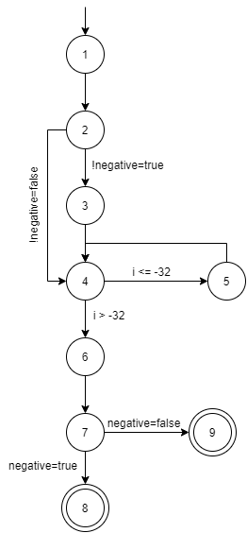 | P1: {n1,n2,n4,n6,n7,n8} P2: {n1,n2,n4,n6,n7,n9} P3: {n1,n2,n4,n5,n4,n6,n7,n8} P4: {n1,n2,n4,n5,n4,n6,n7,n9} P5: {n1,n2,n3,n4,n5,n4,n6,n7,n8} P6: {n1,n2,n3,n4,n5,n4,n6,n7,n9} P7: {n1,n2,n3,n4,n6,n7,n8} P8: {n1,n2,n3,n4,n6,n7,n9} | {P1,P3,P8} | {P2,P4,P5,P6,P7} | None | T1 = { i=-1 length=5 expected="-00001" } T2 = { i=-64 length=5 expected="-00020" } T3 = { i=32 length=5 expected="00010" } | T1 covers {P1} T2 covers {P3} T3 covers {P8}
GeoHash | heightDegrees() | 1. (n) int, length of geohash | double | height in degrees of the geohash with length | None | https://stv.csie.ntut.edu.tw/108598014/GeoProject/blob/master/LabReport/Lab3/Source%20code/Geohash.heightDegrees().PNG | 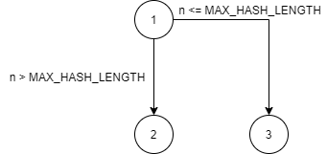 | P1: {n1,n2} P2: {n1,n3} | {P1,P2} | None | None | T1 = { n=24 expected=1.5612511283791264E-16 } T2 = { n=12 expected=1.6763806343078613E-7 } | T1 covers {P1} T2 covers {P2}
Base32 | decodeBase32() | 1. (hash) String, geohash as a string | long | 藉由查表轉換後的值 | 1. IllegalArgumentException: hash含有不在轉換表上的char | https://stv.csie.ntut.edu.tw/108598014/GeoProject/blob/master/LabReport/Lab3/Source%20code/Base32.decodeBase32().PNG | 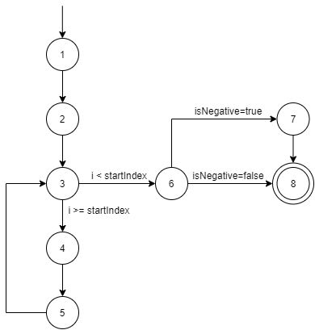 | P1: {n1,n2,n3,n6,n8} P2: {n1,n2,n3,n6,n7,n8} P3: {n1,n2,n3,n4,n5,n3,n6,n8} P4: {n1,n2,n3,n4,n5,n3,n6,n7,n8} | {P1,P2,P3,P4} | None | None | T1 ={ hash="" expected=0 } T2 ={ hash="-" expected=0 } T3 ={ hash="1" expected=1 } T4 ={ hash="-1" expected=-1 } | T1 covers {P1} T2 covers {P2} T3 covers {P3} T4 covers {P4}

